Overview
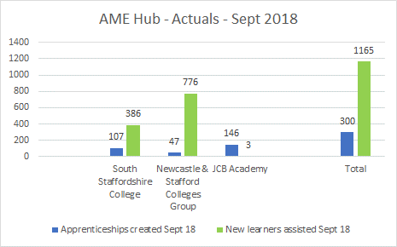
SSLEP Executive Board - Growth Deal Outputs Summary |  | Q4 2020-21

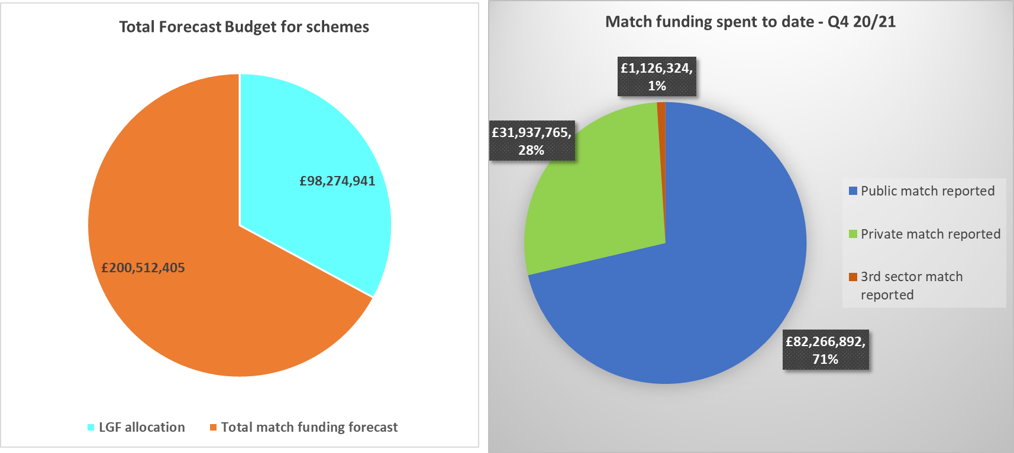

Match funding
Many schemes have been encouraged to spend LFG grant first, in order to mitigate the impact of delays caused by Covid and ensure grant was spent by the deadline of March 2021.
Match funding will enable completion of those schemes that are still in progress, in line with contractual requirements, and will continue to be reported along with outputs.

Jobs and Housing - outputs to date
Q4 20/21: + 36 jobs + 46 housing units

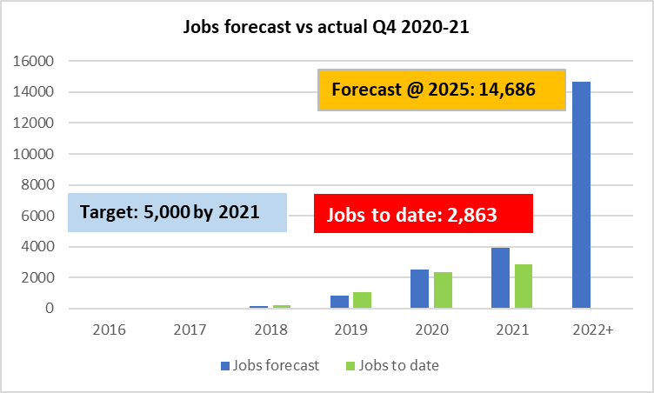
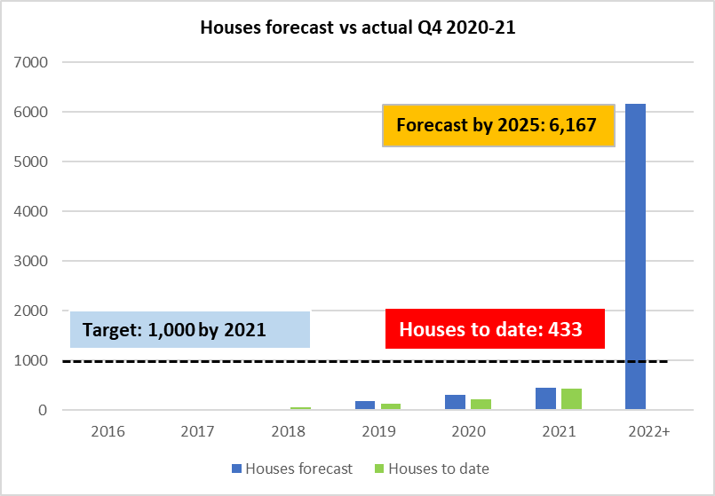

Future Forecasting | 2021-25 + beyond
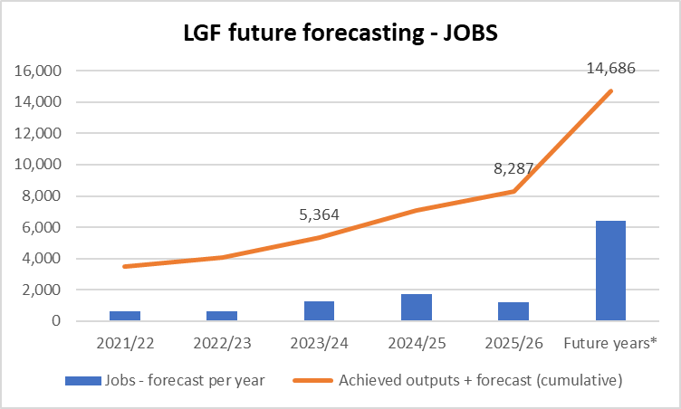
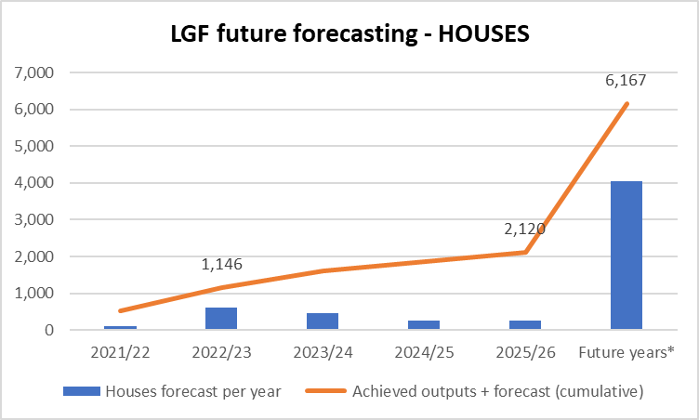

Skills - achievements

